Screenshot
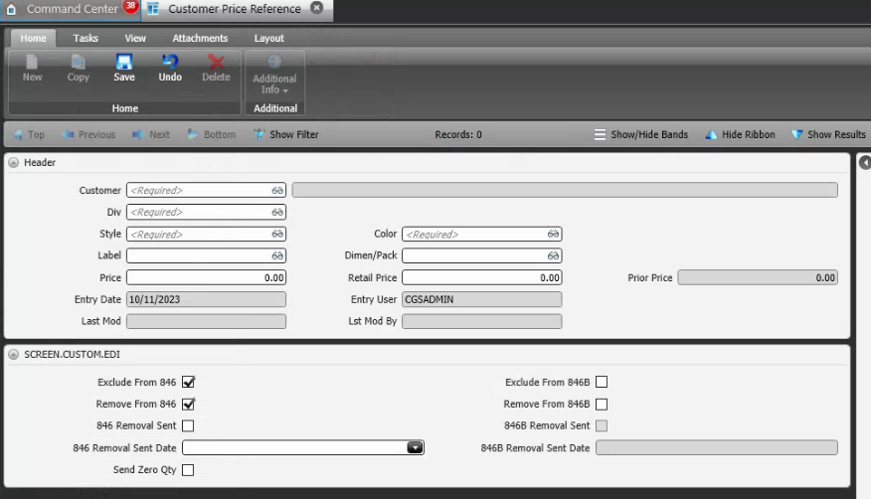
Reference Screen | Customer Price

